Exact Opening
More Exact Way to Measure Door/Window Opening

D4
D5
H1
H2
H3

D3
D6

W1

W2

D2
D7

W3

D1
D8

 | Width |  | Height |  |  |  | Depth (Wall Thickness)

 |  |  |  |  |  |  | D1: |  | D5:
 | W1: |  |  | H1:
 |  |  |  |  |  |  | D2: |  | D6:
 | W2: |  |  | H2:
 |  |  |  |  |  |  | D3: |  | D7:
 | W3: |  |  | H3:
 |  |  |  |  |  |  | D4: |  | D8:

To use: |  | (*Smallest W*) | To use: |  | (*Smallest H*) | To use: |  | (*Smallest D*)

Approximate Opening
Measure Door/Window Opening - Approximate

D2
H

W

D1
D3

 | Width | Height |  | Depth (Wall Thickness)

 | W: |  | H: | D1:
 |  |  |  |  | D3:
 |  |  |  | D2:

Example
 |  |  |  |  |  | Example

 |  |  | Wall Opening vs. Door Size

 |  |  |  |  | 38-1/4" x 81-1/4" Wall Opening

 |  |  |  |  |  |  | 38-1/4"

 |  |  |  |  |  |  |  |  |  |  | Frame, takes 1" from

 |  |  |  |  |  |  |  |  |  |  | opening on each side.
 | 1"
 |  |  |  |  |  |  |  |  |  |  | *The additional 1/4" is slack.

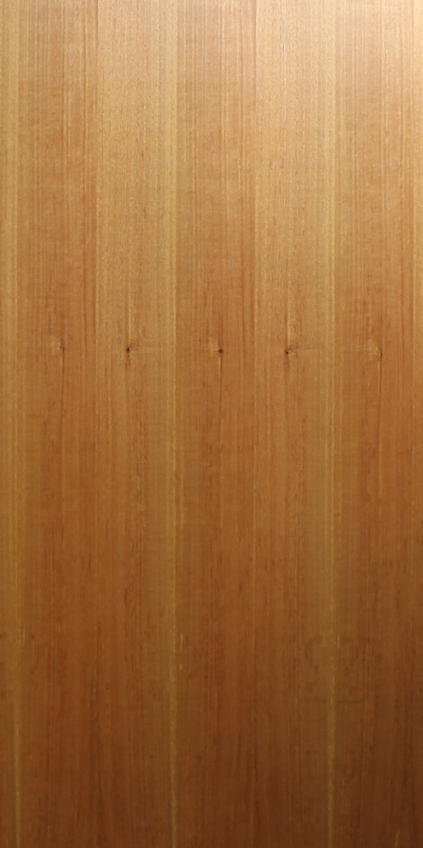
 |  |  |  |  |  |  |  |  |  |  | +or- 1/8"on each side.

36" x 80" door

 |  | 81-1/4" |  |  |  |  |  |  |  | 80"

 |  |  |  |  |  |  |  | 36"

 |  |  |  | 1" |  |  |  |  | 1"

